Лист1
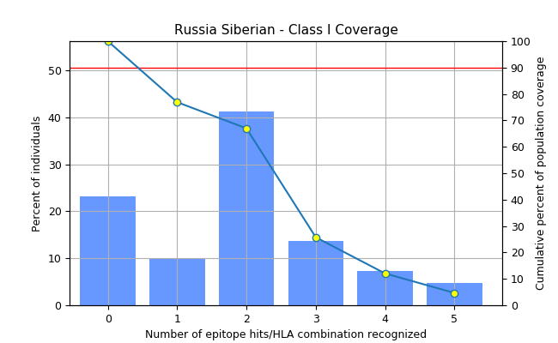
Population: Russia Siberian
MHC class | Coverage | Average hit | MC90
I | 76.9% | 1.86 | 0.43

